Main
PACIFIC EARTHQUAKE ENGINEERING RESEARCH CENTER

WEIGHTED AVERAGE of 2014 NGA WEST-2 GMPEs
Last updated: 04 14 15
by Emel Seyhan, PhD, PEER & UCLA -- email: emel.seyhan@gmail.com, peer_center@berkeley.edu
This excel file will be updated as necessary on the PEER website to fix any typos or other errors. Please check the website frequently for new versions at: http://peer.berkeley.edu/ngawest2/databases/
 |  |  |  |  |  |  | Legend | Pre-defined option | Main input variable | Calculated variable | Input var. flag | Internal variable
GMPE averaging | Geometric | Weighted average of the natural logarithm of the spectral values
 |  |  |  |  |  |  | ASK14 | Abrahamson & Silva & Kamai 2014 NGA West-2 Model
GMPEs | ASK14 | BSSA14 | CB14 | CY14 | I14 | I08 Model cannot be used for Vs30 less than 450 m/sec. Results are obtained assuming 0 weight for I08 and normalizing the weights of the rest of the models | BSSA14 | Boore & Stewart & Seyhan & Atkinson 2014 NGA West-2 Model
Weight | 0.2 | 0.2 | 0.2 | 0.2 | 0.2 |  | CB14 | Campbell & Bozorgnia 2014 NGA West-2 Model
 |  |  |  |  |  |  | CY14 | Chiou & Youngs 2014 NGA West-2 Model
# of std. dev. | 1 |  |  |  |  |  | I14 | Idriss 2014 NGA West-2 Model
Damping ratio (%) | 5 | Modification factors are calculated in Sheet DSF

 |  | RotD50 Horizontal Component of PGA, PGV and IMs
Input variables | Errors and warnings |  |  | Baseline: 5% Damping |  |  |  | User defined: 5% Damping
 |  | GMP | T (s) | PSa Median for 5% damping | PSa Median + 1.σ for 5% damping | PSa Median - 1.σ for 5% damping | Sd Median for 5% damping | PSa Median for 5% damping | PSa Median + 1.σ for 5 % damping | PSa Median - 1.σ for 5 % damping | Sd Median for 5 % damping
Mw |  | PSa (g), Sd (cm) | 0.01 | 0.38484 | 0.67573 | 0.21917 | 0.00096 | 0.38484 | 0.67573 | 0.21917 | 0.00096
6 |  |  | 0.02 | 0.38729 | 0.68287 | 0.21965 | 0.00385 | 0.38729 | 0.68287 | 0.21965 | 0.00385 |  | Pseudo Spectral Acceleration (5% damping) (g)
 |  |  | 0.03 | 0.39761 | 0.70286 | 0.22493 | 0.00888 | 0.39761 | 0.70286 | 0.22493 | 0.00888
RRUP (km) |  |  | 0.05 | 0.41514 | 0.73969 | 0.23299 | 0.02576 | 0.41514 | 0.73969 | 0.23299 | 0.02576
5 |  |  | 0.075 | 0.49585 | 0.89299 | 0.27533 | 0.06924 | 0.49684 | 0.89478 | 0.27588 | 0.06938
 |  |  | 0.1 | 0.60448 | 1.08856 | 0.33567 | 0.15005 | 0.60569 | 1.09074 | 0.33634 | 0.15035
RJB (km) |  |  | 0.15 | 0.75054 | 1.33387 | 0.42231 | 0.41920 | 0.75129 | 1.33521 | 0.42273 | 0.41962
5 |  |  | 0.2 | 0.83964 | 1.48299 | 0.47538 | 0.83372 | 0.84048 | 1.48447 | 0.47586 | 0.83455
 |  |  | 0.25 | 0.86352 | 1.53523 | 0.48570 | 1.33973 | 0.86611 | 1.53983 | 0.48716 | 1.34375
RX (km) |  |  | 0.3 | 0.83932 | 1.51869 | 0.46386 | 1.87515 | 0.83932 | 1.51869 | 0.46386 | 1.87515
5 |  |  | 0.4 | 0.74452 | 1.38582 | 0.39999 | 2.95708 | 0.74452 | 1.38582 | 0.39999 | 2.95708
 |  |  | 0.5 | 0.65778 | 1.25101 | 0.34586 | 4.08214 | 0.65844 | 1.25226 | 0.34621 | 4.08622
Ry0 (km) | If unknown use 999 |  | 0.75 | 0.46019 | 0.90983 | 0.23276 | 6.42576 | 0.46019 | 0.90983 | 0.23276 | 6.42576
0 |  |  | 1 | 0.34046 | 0.69042 | 0.16789 | 8.45146 | 0.34012 | 0.68973 | 0.16772 | 8.44300
 |  |  | 1.5 | 0.19560 | 0.40340 | 0.09485 | 10.92514 | 0.19580 | 0.40380 | 0.09494 | 10.93607
VS30 (m/sec) |  |  | 2 | 0.12678 | 0.26378 | 0.06093 | 12.58844 | 0.12652 | 0.26325 | 0.06081 | 12.56326
250 |  |  | 3 | 0.06631 | 0.13888 | 0.03166 | 14.81475 | 0.06618 | 0.13860 | 0.03160 | 14.78512
 |  |  | 4 | 0.03784 | 0.07864 | 0.01821 | 15.02939 | 0.03780 | 0.07856 | 0.01819 | 15.01436
U (BSSA13) | 1: Unspecified fault mech. |  | 5 | 0.02428 | 0.05055 | 0.01167 | 15.07101 | 0.02419 | 0.05035 | 0.01162 | 15.01072
0 |  |  | 7.5 | 0.00924 | 0.01920 | 0.00445 | 12.90869 | 0.00924 | 0.01918 | 0.00445 | 12.89578
 |  |  | 10 | 0.00485 | 0.00999 | 0.00235 | 12.03035 | 0.00483 | 0.00996 | 0.00234 | 11.99426
FRV | 1: reverse fault
0 |  | PGA (g) | 0 | 0.38314 | 0.67237 | 0.21833 | 0.00095 | 0.38314 | 0.67237 | 0.21833 | 0.00095
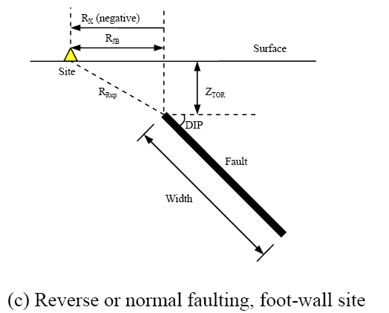
 |  | PGV (cm/s) | -1 | 16.85172 | 26.84012 | 10.58045 | 0.04183 | NA | NA | NA | NA
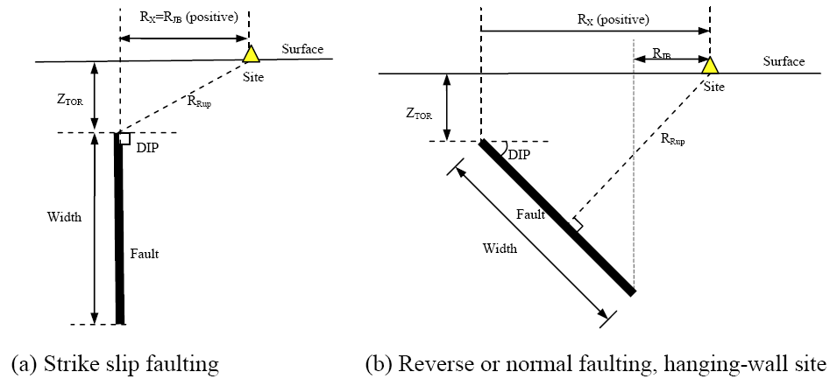
FNM | 1: normal fault
0

FHW | 1: hanging wall side
0

Dip (deg)
90

ZTOR (km) | If unknown use 999
999

ZHYP (km) | If unknown use 999
999
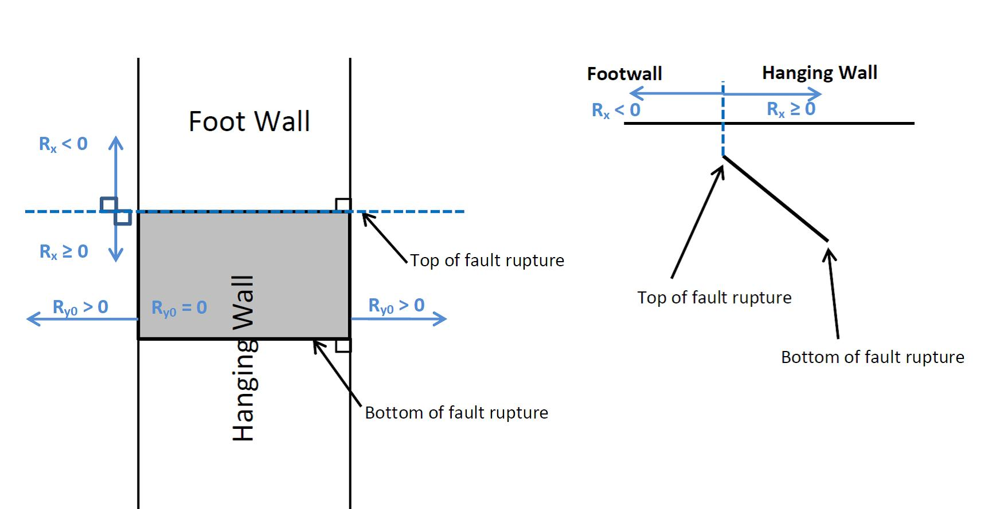
Courtesy: Jennifer Donahue
Z1.0 (km) | If unknown use 999
999

Z2.5 (km) | If unknown use 999
999

W (km) | If unknown use 999
999

Vs30Flag
measured | Choose options for Vs30 from the list

FAS |  |  |  |  | Definition of Parameters
no | Aftershock effect is not applicable. |  |  |  | Damping ratio | = Viscous damping ratio (%) See Sanaz et al. (2012) PEER Report
 |  |  |  |  | PSA | = Pseudo-absolute acceleration response spectrum (g)
Region |  |  |  |  | PGA | = Peak ground acceleration (g)
California | Choose region from the list |  |  |  | PGV | = Peak ground velocity (cm/s)
 |  |  |  |  | Sd | = Relative displacement response spectrum (cm)
Calculated Variables/Flags |  |  |  |  | Mw | = Moment magnitude
 |  |  |  |  | RRUP | = Closest distance to coseismic rupture (km), used in ASK13, CB13 and CY13. See Figures a, b and c for illustation
DDPP | Always 0 for median calcs. |  |  |  | RJB | = Closest distance to surface projection of coseismic rupture (km). See Figures a, b and c for illustation
0 |  |  |  |  | RX | = Horizontal distance from top of rupture measured perpendicular to fault strike (km). See Figures a, b and c for illustation
 |  |  |  |  | Ry0 | = The horizontal distance off the end of the rupture measured parallel to strike (km)
PGAr (g) |  |  |  |  | VS30 | = The average shear-wave velocity (m/s) over a subsurface depth of 30 m
0.284 |  |  |  |  | U | = Unspecified-mechanism factor: 1 for unspecified; 0 otherwise
 |  |  |  |  | FRV | = Reverse-faulting factor: 0 for strike slip, normal, normal-oblique; 1 for reverse, reverse-oblique and thrust
ZBOT (km) (CB14) | Enter for default W calcs |  |  |  | FNM | = Normal-faulting factor: 0 for strike slip, reverse, reverse-oblique, thrust and normal-oblique; 1 for normal
15 |  |  |  |  | FHW | = Hanging-wall factor: 1 for site on down-dip side of top of rupture; 0 otherwise
 |  |  |  |  | Dip | = Average dip of rupture plane (degrees)
SS |  |  |  |  | ZTOR | = Depth to top of coseismic rupture (km)
1 | auto calculated |  |  |  | ZHYP | = Hypocentral depth from the earthquake
 |  |  |  |  | Z1.0 | = Depth to Vs=1 km/sec
Vs30Flag |  |  |  |  | Z2.5 | = Depth to Vs=2.5 km/sec
1 | measured |  |  |  | W | = Fault rupture width (km)
 |  |  |  |  | Vs30flag | = 1 for measured, 0 for inferred Vs30
FAS |  |  |  |  | FAS | = 0 for mainshock; 1 for aftershock
0 | Aftershock effect is not applicable. |  |  |  | Region | = Specific regions considered in the models, Click on Region to see codes
 |  |  |  |  | DDPP | = Directivity term, direct point parameter; uses 0 for median predictions
Region |  |  |  |  | PGAr (g) | = Peak ground acceleration on rock (g), this specific cell is updated in the cell for BSSA14 and CB14, for others it is taken account for in the macros
0 | California |  |  |  | ZBOT (km) | = The depth to the bottom of the seismogenic crust
 |  |  |  |  | ZBOR(km) | = The depth to the bottom of the rupture plane
Option for Sa value |  |  |  |  | SS | = 1 for strike slip, automatically updated in the cell
1 | Weighted average of the natural logarithm of the spectral values

Input variables with defaults (If entered 999 as input):
 |  | Red colored value: The value is used in the code when input is unknown
DEFAULTs | USER defined | ASK14 | BSSA14 | CB14 | CY14 | I14
W (km) | 999.00 |  |  | 9.654
Z1.0 (km) | 999.000 | 0.479 |  |  | 0.490
dZ1.0 (km) | 0.000 |  | 0.000
Z2.5 (VS30=1100)(km) | 999.000 |  |  | 0.398
Z2.5 (VS30)(km) | 999.000 |  |  | 2.165
Zhyp (km) | 999.00 |  |  | 7.148
Ztor (km) | 999.00 |  |  | 2.259 | 2.259
ZBOR (km) | - |  |  | 11.912

ACKNOWLEDGEMENTS
Nick Gregor, Bechtel
Silvia Mazzoni, Consultant
Sanaz Rezaeian, USGS

All NGA West-2 participants are acknowledged for their constructive comments and feedback.

ASK14
ABRAHAMSON - SILVA - KAMAI NGA-WEST2 MODEL COEFFICIENTS [ASK14] (EQS 2014) & Dec13 Revisions (Kamai, pers. comm.):

Input variables | Errors and warnings |  |  | ASK_14 (M, Rrup, Rjb, Rx, Frv, Fnm, Fhw, FAS, Ztor, W, dip, Vs30, Z1, Ry0, Region, T)
 |  |  |  | Visual Basic Calculations
M |  | GMP | T (s) | Median | s
6.00 |  | PSa (g) | 0.01 | 0.3184 | 0.5406
 |  |  | 0.02 | 0.3190 | 0.5352
RRUP |  |  | 0.03 | 0.3111 | 0.5172
5.00 |  |  | 0.05 | 0.3260 | 0.5005
 |  |  | 0.075 | 0.3792 | 0.4900
RJB |  |  | 0.1 | 0.4544 | 0.4822
5.00 |  |  | 0.15 | 0.6299 | 0.4719
 |  |  | 0.2 | 0.7541 | 0.4827
RX |  |  | 0.25 | 0.8146 | 0.5093
5.00 |  |  | 0.3 | 0.8277 | 0.5458
 |  |  | 0.4 | 0.7572 | 0.5973
Ry0 |  |  | 0.5 | 0.6525 | 0.6207
0 |  |  | 0.75 | 0.4184 | 0.6531
 |  |  | 1 | 0.2996 | 0.6773
VS30 |  |  | 1.5 | 0.1931 | 0.6984
250 |  |  | 2 | 0.1254 | 0.7151
 |  |  | 3 | 0.0662 | 0.7099
FRV |  |  | 4 | 0.0423 | 0.7010
0 |  |  | 5 | 0.0285 | 0.7035
 |  |  | 7.5 | 0.0126 | 0.7091
FNM |  |  | 10 | 0.0063 | 0.7173
0
 |  | PGA (g) | 0 | 0.3184 | 0.5406
FHW |  | PGV (cm/s) | -1 | 34.1177 | 0.6340
0

d
90

ZTOR
999.0000

Z1.0
999.00

Z1.0 (AS calc)
0.479 | <- DEFAULT

W
999.00

Vs30flag | 1 if measured
1

FAS
0 | Aftershock effect is turned off.

Region
0

Input variables with defaults (If entered 999 as input):

Z1.0 (ASK calc)
0.479

BSSA14
BOORE - STEWART - SEYHAN - ATKINSON - NGA-WEST2 MODEL COEFFICIENTS [BSSA14] (EQS 2013) & sigma updates:

Input variables | Errors and warnings |  |  | BSSA_14 (M, Rjb, U, RS, NS, Vs30, Region, Z1, PGAr, T)
 |  |  |  | Visual Basic Calculations
M |  | GMP | T (s) | Median | s
6.00 |  | PSa (g) | 0.01 | 0.3679 | 0.5707
 |  |  | 0.020 | 0.3579 | 0.5941
RRUP (km) |  |  | 0.030 | 0.3597 | 0.6149
5.00 |  |  | 0.050 | 0.4021 | 0.6668
 |  |  | 0.075 | 0.4851 | 0.7043
RJB (km) |  |  | 0.10 | 0.5868 | 0.7021
5.00 |  |  | 0.15 | 0.7487 | 0.6548
 |  |  | 0.20 | 0.8398 | 0.5967
VS30 (m/s) |  |  | 0.25 | 0.7945 | 0.5771
250 |  |  | 0.30 | 0.7164 | 0.5767
 |  |  | 0.40 | 0.6047 | 0.5877
U | 0: Specified fault mech. |  | 0.50 | 0.5420 | 0.6040
0 |  |  | 0.75 | 0.3902 | 0.6359
 |  |  | 1.0 | 0.3043 | 0.6810
FRV |  |  | 1.5 | 0.1810 | 0.6889
0 |  |  | 2.0 | 0.1205 | 0.6956
 |  |  | 3.0 | 0.0634 | 0.7082
FNM |  |  | 4.0 | 0.0384 | 0.7080
0 |  |  | 5.0 | 0.0253 | 0.7065
 |  |  | 7.5 | 0.0102 | 0.6891
Z1 (km) | If unknown use 999 |  | 10.0 | 0.0054 | 0.6496
999.00
 |  | PGA (g) | 0 | 0.3625 | 0.5694
Region |  | PGV (cm/s) | -1 | 30.2175 | 0.6091
0

SS
1 | Auto calculated

Input variables with defaults (If entered 999 as input):

PGAr (g)
0.2844

dz1 | 0: DEFAULT
0.00000

Definition of Parameters

PSA
PGA
PGV
A1100
M
RRUP
RJB
RX
FRV
FNM
ZHYP
ZTOR
ZBOR
ZBOT
W
d
VS30
Z2.5
SJ
SJP
SCH

CB14
CAMPBELL-BOZORGNIA NGA-WEST2 MODEL COEFFICIENTS [CB14] (EQS 2013) & c0 updates:

Input variables | Errors and warnings |  |  | CB_14 (M, Rrup, Rjb, Rx, Frv, Fnm, Fhw,Ztor, W, del, Vs30, Z25, Zhyp, Wd, Zhypd, Region, A, T)
 |  |  |  | Visual Basic Calculations
M |  | GMP | T (s) | Median | s
6.00 |  | PSa (g) | 0.01 | 0.3196 | 0.4534
 |  |  | 0.020 | 0.3270 | 0.4537
RRUP |  |  | 0.030 | 0.3380 | 0.4576
5.00 |  |  | 0.050 | 0.3734 | 0.4699
 |  |  | 0.075 | 0.4454 | 0.4997
RJB |  |  | 0.10 | 0.5082 | 0.5068
5.00 |  |  | 0.15 | 0.5766 | 0.4820
 |  |  | 0.20 | 0.6062 | 0.4753
RX |  |  | 0.25 | 0.6718 | 0.4776
5.00 |  |  | 0.30 | 0.7087 | 0.5079
 |  |  | 0.40 | 0.6670 | 0.5502
VS30 |  |  | 0.50 | 0.6103 | 0.5878
250 |  |  | 0.75 | 0.4904 | 0.6644
 |  |  | 1.0 | 0.3800 | 0.6897
FRV |  |  | 1.5 | 0.2163 | 0.7099
0 |  |  | 2.0 | 0.1428 | 0.7078
 |  |  | 3.0 | 0.0745 | 0.7127
FNM |  |  | 4.0 | 0.0413 | 0.6833
0 |  |  | 5.0 | 0.0265 | 0.6934
 |  |  | 7.5 | 0.0089 | 0.7000
FHW |  |  | 10.0 | 0.0055 | 0.6976
0
 |  | PGA (g) | 0 | 0.3172 | 0.4520
d |  | PGV (cm/s) | -1 | 34.8078 | 0.5325
90

ZTOR | If unknown use 999
999.00

ZHYP | If unknown use 999
999.0000

Z2.5 | If unknown use 999
999.0000

W | If unknown use 999
999.0000

ZBOT
15.00

Region
0

Z2.5 (Vs30=1100)
0.3975

Input variables with defaults (If entered 999 as input):

A1100
0.3222

Z2.5 (Vs30) | Default
2.1651

ZTOR (M,F)
2.2588

Z2.5 (Vs30=1100)
0.3975

ZHYP ( M,ZBOR,ZTOR,d)
7.1478

W (M,ZBOT,ZTOR,d)
9.6537

ZBOR (W,d)
11.9125

CY14
CHIOU - YOUNGS NGA-WEST2 MODEL COEFFICIENTS [CY14] (DEC 2014, EQS):

Input variables | Errors and warnings |  |  | CY_14 (M, Rrup, Rjb, Rx, Vs30, Frv, Fnm, Fhw, del, Ztor, Region, Z1, DDPP, T)
 |  |  |  | Visual Basic Calculations
M |  | GMP | T (s) | Median | s
6.00 |  | PSa (g) | 0.010 | 0.3458 | 0.5349
 |  |  | 0.020 | 0.3484 | 0.5375
RRUP |  |  | 0.030 | 0.3574 | 0.5435
5.00 |  |  | 0.050 | 0.3946 | 0.5357
 |  |  | 0.075 | 0.4745 | 0.5182
RJB |  |  | 0.10 | 0.5521 | 0.5107
5.00 |  |  | 0.15 | 0.6587 | 0.5129
 |  |  | 0.20 | 0.7497 | 0.5259
RX |  |  | 0.25 | 0.8090 | 0.5416
5.00 |  |  | 0.30 | 0.8270 | 0.5568
 |  |  | 0.40 | 0.8037 | 0.5833
VS30 |  |  | 0.5 | 0.7567 | 0.6059
250 |  |  | 0.8 | 0.5849 | 0.6447
 |  |  | 1.0 | 0.4440 | 0.6671
FRV |  |  | 1.5 | 0.2652 | 0.6878
0 |  |  | 2.0 | 0.1746 | 0.7005
 |  |  | 3.0 | 0.0857 | 0.7071
FNM |  |  | 4.0 | 0.0450 | 0.7066
0 |  |  | 5.0 | 0.0249 | 0.7038
 |  |  | 7.5 | 0.0081 | 0.6980
FHW |  |  | 10.0 | 0.0035 | 0.6939
0
 |  | PGA (g) | 0 | 0.3458 | 0.5349
d |  | PGV (cm/s) | -1 | 37.8710 | 0.5517
90

ZTOR | Rrup cannot be less than Ztor
999.0000 | ! Not Applicable !

Z1.0 | If unknown use 999
999.000

Vs30flag
1

Region
0

DDPP
0

SJp-It
0

SWn
0

Input variables with defaults (If entered 999 as input):

ZTOR (M,F)
2.2588

Z1.0 (SJ,VS30)
0.4905

I14
IDRISS NGA-WEST2 MODEL COEFFICIENTS [I14] (MAY 2013, PEER REPORT 2013/08):

Input variables | Errors and warnings |  |  | I_14 (M, Rrup, F, Vs30, T)
 |  |  |  | Visual Basic Calculations
M |  | GMP | T (s) | Median | s
6.00 |  | PSa (g) | 0.010 | 0.6520 | 0.7151
 |  |  | 0.020 | 0.6698 | 0.7151
Rrup(km) |  |  | 0.030 | 0.7351 | 0.7151
5.00 |  |  | 0.050 | 0.6385 | 0.7151
 |  |  | 0.075 | 0.7710 | 0.7293
VS30 (m/s) |  |  | 0.10 | 1.0788 | 0.7394
250 | ! Not Applicable ! |  | 0.15 | 1.3296 | 0.7536
 |  |  | 0.20 | 1.4501 | 0.7637
F |  |  | 0.25 | 1.3651 | 0.7715
0 |  |  | 0.30 | 1.1985 | 0.7779
 |  |  | 0.40 | 0.9319 | 0.7879
 |  |  | 0.50 | 0.7540 | 0.7957
 |  |  | 0.75 | 0.4407 | 0.8099
 |  |  | 1.0 | 0.2974 | 0.8200
 |  |  | 1.5 | 0.1428 | 0.8342
 |  |  | 2.0 | 0.0869 | 0.8443
 |  |  | 3.0 | 0.0478 | 0.8585
 |  |  | 4.0 | 0.0257 | 0.8585
 |  |  | 5.0 | 0.0178 | 0.8585
 |  |  | 7.5 | 0.0072 | 0.8585
 |  |  | 10.0 | 0.0041 | 0.8585

 |  | PGA (g) | 0 | 0.6520 | 0.7151
 |  | PGV (cm/s) | -1 | - | -

DSF
 | By: Sanaz Rezaeian (sanazr128@yahoo.com)
 | I.M. Idriss, Yousef Bozorgnia, Ken Campbell, Norm Abrahamson, Walt Silva

Damping Scaling Factor (DSF) calculation:

Definition:
DSF = (Pseudo-Spectral Acceleration for beta damping) / (Pseudo-Spectral Acceleration for 5% damping)

Model:
ln(DSF) = [ b0 + b1*ln(beta) + b2*((ln(beta))^2) ] + [ b3 + b4*ln(beta) + b5*((ln(beta))^2) ] * M + [ b6 + b7*ln(beta) + b8*((ln(beta))^2) ] * ln(Rrup+1) + epsilon
Stdv (ln(DSF)) = abs [ a0*ln(beta/5) + a1*((ln(beta/5))^2) ]

For the use of DSF in Main Sheet: It is assumed that standard deviation of GMPE is the same for 5% and B%

User Defined Parameters:
M= | 6.00 | (moment magnitude)
Rrup= | 5.00 | (closest distance, km)
beta= | 5 | (damping ratio, %)

T | b0 | b1 | b2 | b3 | b4 | b5 | b6 | b7 | b8 | a0 | a1 | SE of sigma | const. | M term | R term | ln(DSF) | DSF | if beta<=5 | if beta>5 | Stdv
0.01 | 1.73E-03 | -2.07E-04 | -6.29E-04 | 1.08E-06 | -8.24E-05 | 7.36E-05 | -1.07E-03 | 9.08E-04 | -2.02E-04 | -3.70E-03 | 2.30E-04 | 1.88E-04 | -2.32E-04 | 3.55E-04 | -0.00023627759233 | -1.14E-04 | 1 | 0.000 | 0.000 | 0.000
0.02 | 5.53E-02 | -3.77E-02 | 2.15E-03 | -4.30E-03 | 3.21E-03 | -3.32E-04 | -4.75E-03 | 2.52E-03 | 2.29E-04 | -2.19E-02 | 2.11E-03 | 4.99E-04 | 1.93E-04 | 3.79E-05 | -0.0001810393059 | 5.02E-05 | 1 | 0.000 | 0.000 | 0.000
0.03 | 1.22E-01 | -7.02E-02 | -2.28E-03 | -3.21E-03 | 6.91E-05 | 9.82E-04 | -1.30E-02 | 7.82E-03 | 2.27E-04 | -5.21E-02 | 4.60E-03 | 1.04E-03 | 3.11E-03 | -3.33E-03 | 0.0003114085029 | 9.23E-05 | 1 | 0.000 | 0.000 | 0.000
0.05 | 2.39E-01 | -1.06E-01 | -2.63E-02 | -8.57E-04 | -7.43E-03 | 4.87E-03 | -1.69E-02 | 8.08E-03 | 1.71E-03 | -9.57E-02 | 1.31E-03 | 4.70E-03 | 2.75E-04 | -1.20E-03 | 0.00095618123144 | 2.87E-05 | 1 | 0.000 | 0.000 | 0.000
0.075 | 3.05E-01 | -7.32E-02 | -7.29E-02 | 2.02E-04 | -1.64E-02 | 1.03E-02 | -9.26E-04 | -6.40E-03 | 4.42E-03 | -1.21E-01 | -5.79E-03 | 4.60E-03 | -1.64E-03 | 2.92E-03 | 0.00039899061444 | 1.68E-03 | 1.002 | 0.000 | 0.000 | 0.000
0.1 | 2.69E-01 | 4.18E-03 | -1.07E-01 | 5.80E-03 | -2.49E-02 | 1.34E-02 | 2.35E-02 | -2.37E-02 | 5.84E-03 | -1.24E-01 | -1.08E-02 | 3.80E-03 | -1.43E-03 | 2.61E-03 | 0.00086652601321 | 2.04E-03 | 1.002 | 0.000 | 0.000 | 0.000
0.15 | 1.41E-01 | 1.00E-01 | -1.18E-01 | 3.01E-02 | -4.09E-02 | 1.41E-02 | 3.16E-02 | -2.47E-02 | 3.15E-03 | -1.15E-01 | -1.14E-02 | 3.97E-03 | -3.71E-03 | 4.78E-03 | 1.1285045681E-05 | 1.08E-03 | 1.001 | 0.000 | 0.000 | 0.000
0.2 | 5.01E-02 | 1.45E-01 | -1.11E-01 | 4.69E-02 | -4.77E-02 | 1.18E-02 | 3.10E-02 | -2.29E-02 | 2.41E-03 | -1.08E-01 | -8.85E-03 | 4.64E-03 | -4.05E-03 | 4.17E-03 | 0.00069246424699 | 8.10E-04 | 1.001 | 0.000 | 0.000 | 0.000
0.25 | 2.28E-02 | 1.43E-01 | -9.73E-02 | 5.20E-02 | -4.70E-02 | 9.47E-03 | 2.71E-02 | -2.02E-02 | 1.31E-03 | -1.04E-01 | -7.35E-03 | 4.66E-03 | 9.14E-04 | 5.32E-03 | -0.0036146335853 | 2.62E-03 | 1.003 | 0.000 | 0.000 | 0.000
0.3 | -1.58E-02 | 1.48E-01 | -8.83E-02 | 5.21E-02 | -4.36E-02 | 7.33E-03 | 3.87E-02 | -2.66E-02 | 1.76E-03 | -1.01E-01 | -6.90E-03 | 5.31E-03 | -6.33E-03 | 5.49E-03 | 0.00080246209506 | -3.14E-05 | 1 | 0.000 | 0.000 | 0.000
0.4 | 2.24E-02 | 1.03E-01 | -7.41E-02 | 4.63E-02 | -3.58E-02 | 4.65E-03 | 3.63E-02 | -2.45E-02 | 1.18E-03 | -1.02E-01 | -6.71E-03 | 6.21E-03 | -3.77E-03 | 4.36E-03 | -0.00013381968769 | 4.60E-04 | 1 | 0.000 | 0.000 | 0.000
0.5 | 3.19E-02 | 7.04E-02 | -5.57E-02 | 4.25E-02 | -2.94E-02 | 1.88E-03 | 3.87E-02 | -2.47E-02 | 3.13E-04 | -1.01E-01 | -6.22E-03 | 7.13E-03 | 9.25E-04 | 3.14E-04 | -0.00043424284054 | 8.05E-04 | 1.001 | 0.000 | 0.000 | 0.000
0.75 | 1.04E-02 | 5.33E-02 | -3.72E-02 | 4.47E-02 | -2.40E-02 | -2.40E-03 | 3.47E-02 | -2.59E-02 | 2.90E-03 | -1.01E-01 | -5.86E-03 | 6.85E-03 | -1.76E-04 | -8.59E-04 | 0.00094497432124 | -9.00E-05 | 1 | 0.000 | 0.000 | 0.000
1 | -8.84E-02 | 8.92E-02 | -2.14E-02 | 4.98E-02 | -2.36E-02 | -4.70E-03 | 5.02E-02 | -3.43E-02 | 2.32E-03 | -1.02E-01 | -7.31E-03 | 6.66E-03 | -2.70E-04 | -2.14E-03 | 0.0018020680304 | -6.11E-04 | 0.999 | 0.000 | 0.000 | 0.000
1.5 | -1.57E-01 | 9.33E-02 | 3.28E-03 | 5.85E-02 | -2.36E-02 | -8.02E-03 | 4.81E-02 | -3.30E-02 | 2.10E-03 | -1.02E-01 | -8.75E-03 | 6.66E-03 | 1.66E-03 | -1.54E-03 | 0.00076715743558 | 8.83E-04 | 1.001 | 0.000 | 0.000 | 0.000
2 | -2.96E-01 | 1.50E-01 | 2.09E-02 | 7.30E-02 | -2.96E-02 | -9.95E-03 | 5.24E-02 | -3.32E-02 | 6.86E-04 | -1.03E-01 | -9.22E-03 | 6.04E-03 | -4.47E-04 | -2.48E-03 | 0.0013323532685 | -1.59E-03 | 0.998 | 0.000 | 0.000 | 0.000
3 | -4.07E-01 | 1.97E-01 | 3.28E-02 | 8.35E-02 | -3.54E-02 | -1.01E-02 | 5.57E-02 | -2.91E-02 | -3.17E-03 | -9.63E-02 | -1.07E-02 | 6.03E-03 | -4.98E-03 | 2.18E-03 | 0.0011720547292 | -1.62E-03 | 0.998 | 0.000 | 0.000 | 0.000
4 | -4.49E-01 | 2.07E-01 | 4.42E-02 | 8.75E-02 | -3.59E-02 | -1.14E-02 | 5.07E-02 | -2.43E-02 | -4.67E-03 | -9.83E-02 | -1.37E-02 | 3.37E-03 | -1.36E-03 | 1.15E-03 | -0.00090662565442 | -1.11E-03 | 0.999 | 0.000 | 0.000 | 0.000
5 | -4.98E-01 | 2.17E-01 | 5.36E-02 | 9.03E-02 | -3.48E-02 | -1.29E-02 | 5.19E-02 | -2.30E-02 | -5.68E-03 | -9.42E-02 | -1.53E-02 | 2.99E-03 | -9.91E-03 | 5.26E-03 | 0.00030473989943 | -4.35E-03 | 0.996 | 0.000 | 0.000 | 0.000
7.5 | -5.25E-01 | 2.06E-01 | 7.79E-02 | 9.88E-02 | -3.76E-02 | -1.51E-02 | 2.91E-02 | -4.93E-03 | -9.02E-03 | -8.95E-02 | -1.63E-02 | 2.59E-03 | 8.33E-03 | -4.97E-03 | -0.0039399863708 | -5.82E-04 | 0.999 | 0.000 | 0.000 | 0.000
10 | -3.89E-01 | 1.43E-01 | 6.12E-02 | 7.14E-02 | -2.36E-02 | -1.30E-02 | 2.33E-02 | -5.46E-03 | -5.92E-03 | -6.89E-02 | -1.43E-02 | 1.94E-03 | -3.25E-04 | -1.54E-03 | -0.0014729161122 | -3.34E-03 | 0.997 | 0.000 | 0.000 | 0.000

